RG_inputs
Hydraulic Calculation Submission for ABC Waters Design Features - Bioretention Basin (Rain Garden)

 | Project Ref : |  |  |  |  |  |  |  |  | Date: |  |  |  |  | (dd/mm/yyyy) |  |  | Version 1.2
 | Project Title : |  |  |  |  |  |  |  |  | Developer: |  |  |  |  |  |  |  | 27-Oct-22
 |  |  |  |  |  |  |  |  |  | Lead Consultant:
 | Revision No.: |  |  |  | Sheet No.: |  | of
 |  |  |  |  |  |  |  |  |  |  |  | ABCWP Endorsement: |  |  |  | Project Address:
 | Brief Description of Project:
 | - Project scope - ABC Waters concept design |  |  |  |  |  |  |  |  |  |  |  |  |  |  | (fill in 6 digit postal code or Lot number)

 | Total site area: |  |  |  |  |  |  | (ha) |  |  |  | Name:
 | Site area treated by Design Features: |  |  |  |  |  |  | (ha) |  |  |  | ABCWP no.:
 | % Total site area treated by Design Features: |  |  |  |  |  | #DIV/0! | (%)
 | Are Design Features within drainage reserve/green buffer (Y/N)? |  |  |  |  |  |  |  |  |  | Select
 | Are Design Features used for meeting detention requirement per COP Clause 7.1.5 (Y/N)? |  |  |  |  |  |  |  |  |  | Select

 | Notes: | 1) Fill in all parameters where relevant. The designer is responsible for the adequateness of design and accuracy of the submitted figures.
 |  | 2) This sheet is for up to 10 design features; please use a separate file for additional design features if insufficient
 |  | 3) There are no calculations built into this sheet. The designer is encouraged to input his/her own equations as necessary for future submissions.
 |  | 4) For details, refer to the "Engineering Procedures for ABC Waters Design Features". |  |  |  |  |  |  |  |  |  | Link to download

Name | (1) Catchment Characteristics |  |  |  |  |  | (2) Runoff |  |  |  |  | (3) Treatment |  |  |  | Remarks

 | Imperv catchment (m2) | Imperv Runoff Coeff (C) | Perv catchment (m2) | Perv Runoff Coeff (C) | Total Catchment Area (m2) | Weighted Runoff Coeff (C) | Time of Concentration, tc (min) | 10yr ARI Rainfall intensity I10 (mm/hr) | 10yr ARI Peak Runoff, Q10 (m3/s) | 100yr ARI Rainfall intensity I100 (mm/hr) | 100yr ARI Peak Runoff, Q100 (m3/s) | Equiv. Imperv catchment (m2) | Treatment area (m2) | % treatment area | Is % treatment area within 3-5%?
 |  |  |  |  |  |  |  |  |  |  |  |  |  |  | No input
 |  |  |  |  |  |  |  |  |  |  |  |  |  |  | No input
 |  |  |  |  |  |  |  |  |  |  |  |  |  |  | No input
 |  |  |  |  |  |  |  |  |  |  |  |  |  |  | No input
 |  |  |  |  |  |  |  |  |  |  |  |  |  |  | No input
 |  |  |  |  |  |  |  |  |  |  |  |  |  |  | No input
 |  |  |  |  |  |  |  |  |  |  |  |  |  |  | No input
 |  |  |  |  |  |  |  |  |  |  |  |  |  |  | No input
 |  |  |  |  |  |  |  |  |  |  |  |  |  |  | No input
 |  |  |  |  |  |  |  |  |  |  |  |  |  |  | No input

Name | (4) Bioretention Basin Design |  |  |  |  | (5) Under-drainage System |  |  |  |  |  |  |  |  |  |  |  | Remarks
 |  |  |  |  |  | Perforations Inflow |  |  |  |  | Pipe Capacity
 | Filter media depth (m) | Drainage layer depth (m) | Extended detention hmax (m) | Saturated hydraulic conductivity, ksat (m/hr) | Max infiltration rate, Qmax (m3/s) | Total pipe length (m) | Driving head, h (m) | Perforation area per m length, Ao (m2/m) | Total Perforation flow rate, Qperf (m3/s) | Is Qperf >= Qmax? | Pipe diameter, Dp (m) | Hydraulic Gradient, Sf (m/m) | Hydraulic roughness, k# | No. of pipes | Max pipe spacing (m) | Total pipe flow, Qpipe (m3/s)* | Is Qpipe >= Qmax?
0 |  |  |  |  |  |  |  |  |  | No input |  |  |  |  |  |  | No input
0 |  |  |  |  |  |  |  |  |  | No input |  |  |  |  |  |  | No input
0 |  |  |  |  |  |  |  |  |  | No input |  |  |  |  |  |  | No input
0 |  |  |  |  |  |  |  |  |  | No input |  |  |  |  |  |  | No input
0 |  |  |  |  |  |  |  |  |  | No input |  |  |  |  |  |  | No input
0 |  |  |  |  |  |  |  |  |  | No input |  |  |  |  |  |  | No input
0 |  |  |  |  |  |  |  |  |  | No input |  |  |  |  |  |  | No input
0 |  |  |  |  |  |  |  |  |  | No input |  |  |  |  |  |  | No input
0 |  |  |  |  |  |  |  |  |  | No input |  |  |  |  |  |  | No input
0 |  |  |  |  |  |  |  |  |  | No input |  |  |  |  |  |  | No input
 |  |  |  |  |  |  |  | Blockage factor, B = |  |  |  |  |  |  | #Pipe material =
 |  |  |  |  |  |  |  | Discharge coefficient, Cd = |  |  |  |  |  |  | *Kinematic viscosity of water, v = |  | m2/s

Name | (7) Sediment Forebay (For basins with multiple forebays, please sum up the catchment areas and total forebay area & volume) |  |  |  |  |  |  |  |  |  |  |  |  |  |  | Remarks

 | Catchment area of Forebay (ha) | Weighted Runoff Coeff (C) | 3mth ARI Rainfall intensity I3m (mm/hr) | 3mth ARI Peak Runoff, Q3m (m3/s) | Sediment loading rate (m3/ha/yr) | Desired clean-out freq (once every x years) | Total Sediment Volume (m3) | Capture Efficiency, R (%) | Turbulence parameter, n | Total Area of Forebay Required, As# (m2) | Total Forebay Area Provided (m2) | Forebay Depth Provided (m) | Forebay Porosity (default '1' for unfilled forebay) | Total Forebay Volume Provided (m3) | Is Forebay Volume > Sediment Volume?
0 |  |  |  |  |  |  |  |  |  |  |  |  |  |  | No input
0 |  |  |  |  |  |  |  |  |  |  |  |  |  |  | No input
0 |  |  |  |  |  |  |  |  |  |  |  |  |  |  | No input
0 |  |  |  |  |  |  |  |  |  |  |  |  |  |  | No input
0 |  |  |  |  |  |  |  |  |  |  |  |  |  |  | No input
0 |  |  |  |  |  |  |  |  |  |  |  |  |  |  | No input
0 |  |  |  |  |  |  |  |  |  |  |  |  |  |  | No input
0 |  |  |  |  |  |  |  |  |  |  |  |  |  |  | No input
0 |  |  |  |  |  |  |  |  |  |  |  |  |  |  | No input
0 |  |  |  |  |  |  |  |  |  |  |  |  |  |  | No input
 |  |  |  |  |  |  |  | #Settling Velocity, vs = |  | m/s

Name | (8) Vegetation Scour Check |  |  |  |  | Remarks |  |  | 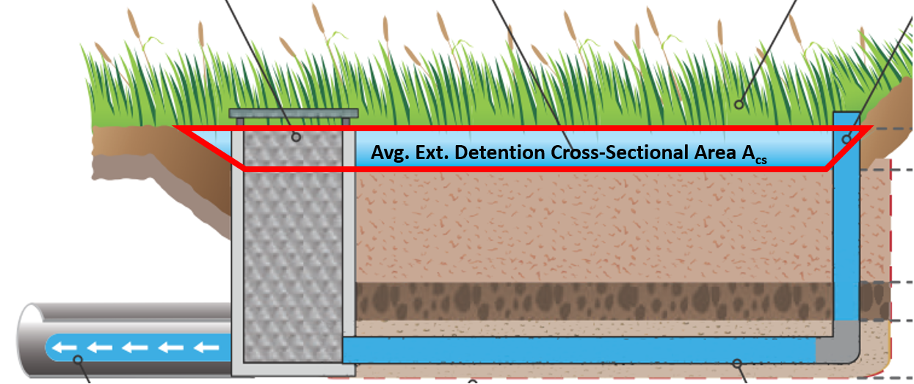 where Acs = average basin width x extended detention depth For irregularly-shaped basins, the narrowest basin width can be adopted (conservative)

 | Avg. Ext. Detention Cross-Sectional Area, Acs (m2) | 10yr ARI Flow Velocity, V10 = Q10#/Acs (m/s) | Is V10 < 0.5 m/s? | 100yr ARI Flow Velocity, V100 = Q100#/Acs (m/s) | Is V100 < 2 m/s?
0 |  |  | No input |  | No input
0 |  |  | No input |  | No input
0 |  |  | No input |  | No input
0 |  |  | No input |  | No input
0 |  |  | No input |  | No input
0 |  |  | No input |  | No input
0 |  |  | No input |  | No input
0 |  |  | No input |  | No input
0 |  |  | No input |  | No input
0 |  |  | No input |  | No input
 |  | #Q10 and Q100 from step (2)

Name | (9) Overflow Structure |  |  |  |  |  |  |  |  |  |  |  |  |  |  |  | Remarks
 | No. of overflow structure | Leave blank if not applicable or >1 type are provided |  |  |  |  | Blockage Factor | Max Depth Above Weir, hw (m) | Weir Condition Check |  |  |  | Orifice Condition Check
 |  | Overflow structure (select from drop down) | Rectangular sump length (m) | Rectangular sump width (m) | Circular sump dia. (m) | Overflow weir length (m) |  |  | Total weir length provided (m) | Weir Coefficient, Cw | Total Weir Discharge, Qweir (m3/s) | Is Qweir > Q10#? | Total Opening Area provided, Agrate (m2) | Orifice Coefficient, Cd | Total Orifice Discharge, Qgrate (m3/s) | Is Qgrate > Q10#?
0 |  | Select |  |  |  |  |  |  |  |  |  | No input |  |  |  | No input
0 |  | Select |  |  |  |  |  |  |  |  |  | No input |  |  |  | No input
0 |  | Select |  |  |  |  |  |  |  |  |  | No input |  |  |  | No input
0 |  | Select |  |  |  |  |  |  |  |  |  | No input |  |  |  | No input
0 |  | Select |  |  |  |  |  |  |  |  |  | No input |  |  |  | No input
0 |  | Select |  |  |  |  |  |  |  |  |  | No input |  |  |  | No input
0 |  | Select |  |  |  |  |  |  |  |  |  | No input |  |  |  | No input
0 |  | Select |  |  |  |  |  |  |  |  |  | No input |  |  |  | No input
0 |  | Select |  |  |  |  |  |  |  |  |  | No input |  |  |  | No input
0 |  | Select |  |  |  |  |  |  |  |  |  | No input |  |  |  | No input
 |  |  |  |  |  |  |  |  |  |  |  | #Q10 from step (2)

(10) Calculation for final discharge pipe capacity:

Equation used*: |  | Select
Name |  |  |  |  |  |  |  |  |  |  |  |  |  |  |  | Final Outlet Capacity (m3/s) | Is Outlet capacity > Q10#? | Remarks

0 |  |  |  |  |  |  |  |  |  |  |  |  |  |  |  |  | No input
0 |  |  |  |  |  |  |  |  |  |  |  |  |  |  |  |  | No input
0 |  |  |  |  |  |  |  |  |  |  |  |  |  |  |  |  | No input
0 |  |  |  |  |  |  |  |  |  |  |  |  |  |  |  |  | No input
0 |  |  |  |  |  |  |  |  |  |  |  |  |  |  |  |  | No input
0 |  |  |  |  |  |  |  |  |  |  |  |  |  |  |  |  | No input
0 |  |  |  |  |  |  |  |  |  |  |  |  |  |  |  |  | No input
0 |  |  |  |  |  |  |  |  |  |  |  |  |  |  |  |  | No input
0 |  |  |  |  |  |  |  |  |  |  |  |  |  |  |  |  | No input
0 |  |  |  |  |  |  |  |  |  |  |  |  |  |  |  |  | No input
*to fill in parameters and calculations based on equation used |  |  |  |  |  |  |  |  |  |  |  |  |  |  |  |  | #Q10 from step (2)

